Applied Probability-Business
PIP | Quality Score | Process Days | Project Cost | Event of Interest: | Notation for the Probability of the given event: | Count: | Probability/Percentage
1 | 993 | 3 | 263470 | Event Q: Quality is satisfied if Quality Score > 500 | P(Q ) | 29 | 58.0%
2 | 306 | 4 | 417320 | Event S: Speed is satisfied if Speed < 13 days | P(S ) | 22 | 44.0%
3 | 172 | 23 | 80210 | Event C: Cost is satisfied if Cost < 234,000 | P(C ) | 26 | 52.0%
4 | 252 | 13 | 460281 |  | Notation for the Probability of the given event: | Count: | Probability/Percentage
5 | 651 | 16 | 201680 | P(Score = 0) | P(Q' ∩ S' ∩ C') | 6 | 12%
6 | 414 | 3 | 199656 | P(Score = 1) | P(Q ∩ S' ∩ C') | 9 | 18%
7 | 246 | 8 | 15621 | P(Score = 2) | P(Q' ∩ S ∩ C') | 5 | 10%
8 | 820 | 15 | 89239 | P(Score = 3) | P(Q' ∩ S' ∩ C) | 4 | 8%
9 | 587 | 20 | 466122 | P(Score = 4) | P(Q ∩ S ∩ C') | 4 | 8%
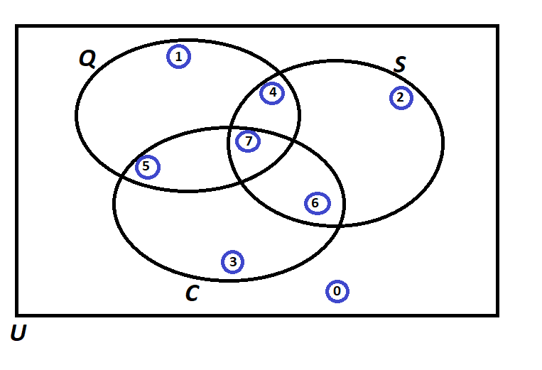
10 | 331 | 16 | 309484 | P(Score = 5) | P(Q ∩ S' ∩ C) | 9 | 18%
11 | 663 | 4 | 45341 | P(Score = 6) | P(Q' ∩ S ∩ C) | 6 | 12%
12 | 940 | 18 | 156677 | P(Score = 7) | P(Q ∩ S ∩ C) | 7 | 14%
13 | 531 | 15 | 441961 |  | TOTAL: | 50 | 100%
14 | 563 | 4 | 377165 |  | Notation for the Probability of the given event: | Count: | Probability/Percentage
15 | 724 | 23 | 80404 | a) Of those who satisfied cost, what percentage also satisfied Speed? | P(S|C) | 13 | 50%
16 | 866 | 24 | 339937 | b) Of those who satisfied Quality, what percentage also satisfied Cost? | P(C|Q) | 16 | 55%
17 | 201 | 17 | 278608 | c) Of those who satisfied Quality, what percentage also satisfied Speed but did not satisfy the Cost? | P( S ∩ C'|Q) | 4 | 14%
18 | 324 | 4 | 149478 | d) Of those who satisfied Cost, what percentage also satisfied Speed but did not satisfy the Quality? | P( S ∩ Q'|C) | 6 | 23%
19 | 395 | 4 | 250469 | e) Of those who did not satisfy Speed, what percentage satisfied Quality and Cost? | P( Q ∩C |S') | 9 | 32%
20 | 707 | 15 | 423975 | f) What percentage satisfied exactly two of the three criteria? | P(Q ∩ S ∩ C')+P(Q ∩ S' ∩ C)+P(Q' ∩ S ∩ C) | 19 | 38%
21 | 68 | 13 | 84278 | g) Of those who satisfied at least one of the three criteria, what percentage satisfied exactly one criterion? | P( Q U S U C)- P( Q U C) - P( Q U C U S' ) | 18 | 41%
22 | 407 | 5 | 12657 | h) Of those who did not satisfy Cost, what percentage satisfied the Speed criterion? | P( S | C') | 9 | 38%
23 | 139 | 10 | 82925
24 | 278 | 18 | 312233 |  |  | Use Symbols
25 | 527 | 19 | 195477 |  |  | A intersect B: | A ∩ B
26 | 188 | 25 | 112740 |  |  | A Union B: | A U B
27 | 726 | 18 | 442165 |  |  | A-Complement: | A'
28 | 385 | 2 | 18969 |  |  | A Condition B: | A | B
29 | 546 | 3 | 436795 |  |  | (A Given B)
30 | 635 | 25 | 107469
31 | 366 | 9 | 259752
32 | 959 | 10 | 125415
33 | 514 | 20 | 261185
34 | 519 | 24 | 381388
35 | 165 | 24 | 84697
36 | 866 | 16 | 151299
37 | 531 | 10 | 118948
38 | 151 | 25 | 302254
39 | 436 | 11 | 295024
40 | 756 | 23 | 212548
41 | 515 | 17 | 162738
42 | 808 | 5 | 178599
43 | 819 | 4 | 101525
44 | 808 | 6 | 169616
45 | 916 | 16 | 277513
46 | 203 | 12 | 487052
47 | 966 | 4 | 144676
48 | 309 | 21 | 430169
49 | 677 | 4 | 265350
50 | 612 | 21 | 326357

Probability Rules
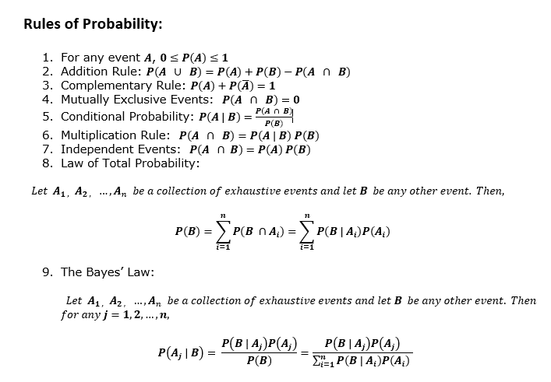
Probability

